V. High
Y v X > | -1.5 | -0.5 | 0.5 | 1.5
-1.5 | 0.25 | 0 | 0 | 0 | 0.5625
-0.5 | 0 | 0.25 | 0 | 0 | 0.0625 | <-- Each cell has sum of four terms,
0.5 | 0 | 0 | 0.25 | 0 | 0.0625 | each being a product of three factors.
1.5 | 0 | 0 | 0 | 0.25 | 0.5625
Var(x) | 1.25 |  |  |  | 1.25
Var(y) | 1.25

Cov(x,y) | 1.25
 |  |  |  |  |  | Sum of 16 product terms
r = | 1 |  | <-- correlation coefficient |  |  | appearing in covariance.

X and Y are discrete random variables with values 1, 2, 3, 4.

For simplicity, symmetry has been maintained
between X and Y in all these examples.

The probability of any X value and any Y value remains 0.25.

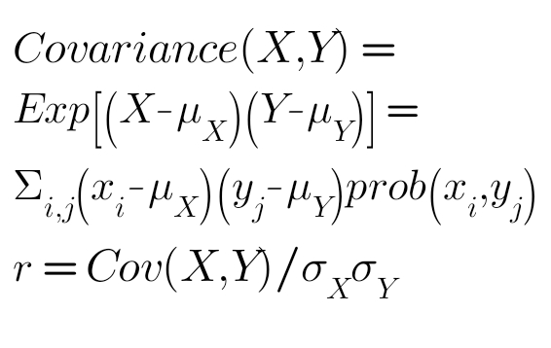
Also note that only DEVIATIONS FROM MEAN of X and Y
have relevance here.

What happens if we choose values 100, 200, 300 and 400 for both X and Y?

